Blue Diamond
Blue Diamond

Item | # Units | Unit | Description
F-15194-0526 | 17,213 | Each | Blue Diamond HONEY RSTD ALM CDN 6-310G S BAG - Exp. 05/26 | 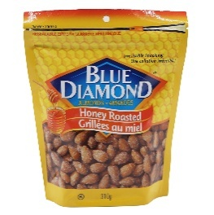 | 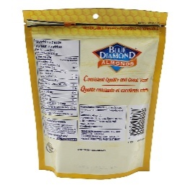
F-15253-0526 | 19,094 | Each | Blue Diamond DR SS & BLUEBERRY PRDC 12-7OZ S BAG - Exp. 05/26 | 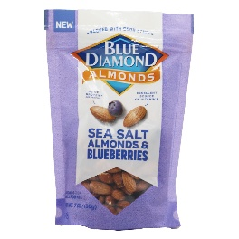 | 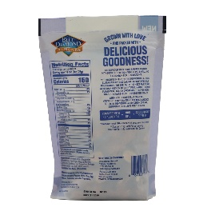
F-15202-0426 | 7,348 | Each | Blue Diamond MIXED NUT HONEY RSTD 6-14OZ PET - Exp. 04/26 | 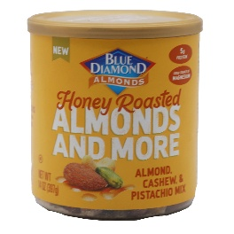 | 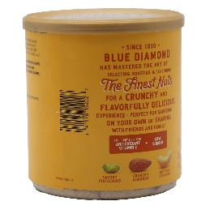
F-14661-0426 | 9,678 | Each | Blue Diamond NUT THINS FMLY SZ CHEDDAR 7.7OZ - Exp. 04/26 | 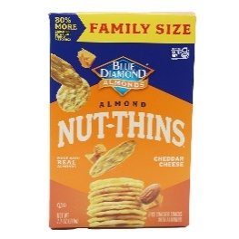 | 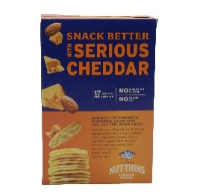
F-15195-0526 | 5,832 | Each | Blue Diamond SMOKEHOUSE CDN 6-310G S BAG - Exp. 05/26 | 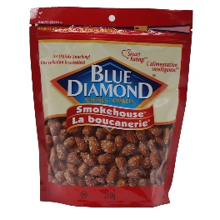 | 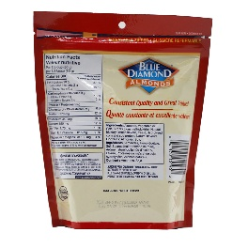
F-14892-0526 | 9,629 | Display | Blue Diamond 3LS 3WS 2DRK CHOC Sold os Package of 8-0.75OZ FOIL VAR -Exp. 05 /26 | 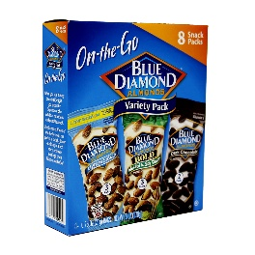 | 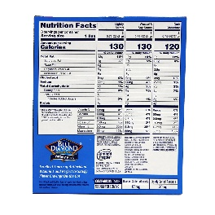
F-15196-0526 | 2,837 | Each | Blue Diamond WASABI & SOY SAUCE CDN 6-310G S BAG - Exp. 05/26 | 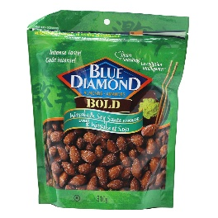 | 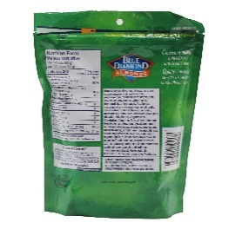
F-13006-0326 | 3,978 | Each | SMOKEHOUSE CDN 12/12-43g TUBE - Exp. 03/26 | 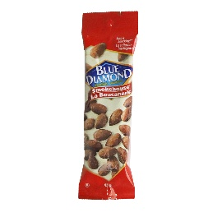 | 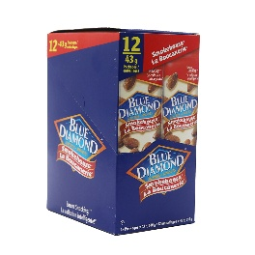
F-15254-0526 | 2,472 | Each | Blue Diamond TSTD ALM & CHERRY PRDC 12-7OZ S BAG - Exp. 05/26 | 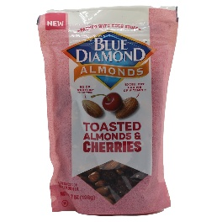 | 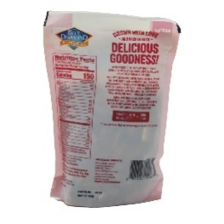
F-15249-0526 | 2,224 | Each | Blue Diamond TEXAS BBQ 18-4OZ FOIL - Exp. 05/26, sold by pdq of 8 4oz | 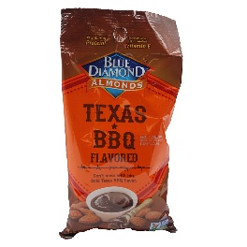 | 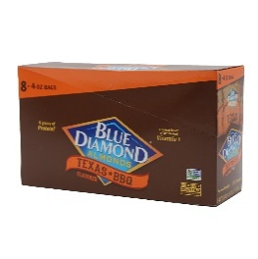
F-5569-0426 | 1,008 | Each | Blue Dimond Almond Nut Thins Original 4.25oz , Cheddar Cheese 4.25 oz , Hint Of Sea Salt 4.25 oz , Pecan 4.25oz - Exp. 04/26 48 count Display - Priced By Pc Sold By Display | 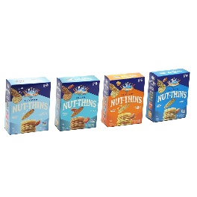 | 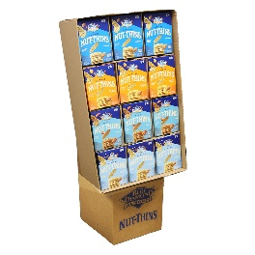
F-10943-0526 | 835 | Each | ZESTY BBQ VALUE PK CDN 6-454G S BAG - Exp. 05/26 | 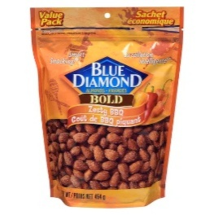 | 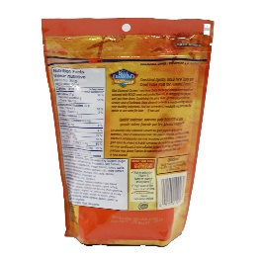
F-8090-0526 | 667 | Each | Blue Diamond WASABI & SOY SAUCE ROW 12-150G CN - Exp. 05/26 | 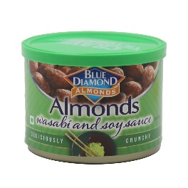 | 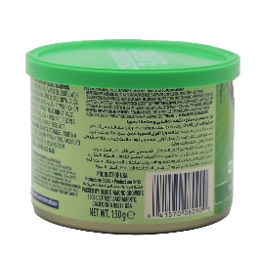
F-15161-0426 | 287 | Each | Blue Diamond DR HONEY RST ALM PRDC 12-8OZ S BAG - Exp. 04/26 | 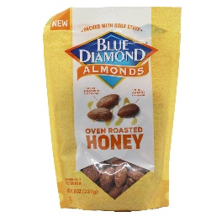 | 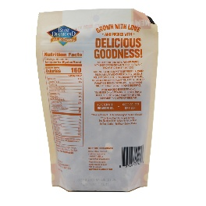
F-13023-0526 | 216 | Each | NUT THINS ALM LOW SOD 6-4.25 OZ BOX - Exp. 05/26 | 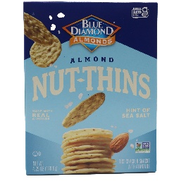 | 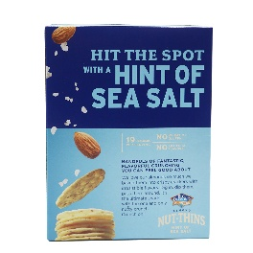
F-15268-0426 | 239 | Display | Blue Diamond 12LS 12SMK 12RS 12HR - Sold as Dis of 48 16OZ BG - Exp. 04/26 | 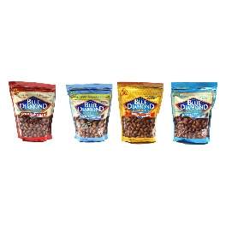 | 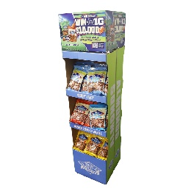
F-13131-0526 | 12 | Each | Blue Diamond DR DK CHOC 100 CAL AMZN 12/32-.625 FOIL- Exp. 05/26 | 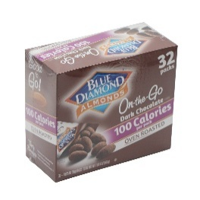
F-11053-0326 | 144 | Each | SRIRACHA 12/12-1.5 OZ TUBE - Exp. 03/26 | 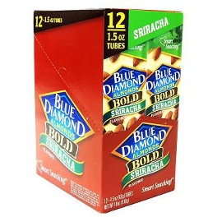
F-9916-0326 | 132 | Each | Blue Diamond NUT THINS ALM LOW SOD CDN 120.5 G BOX - Exp. 03/26 | 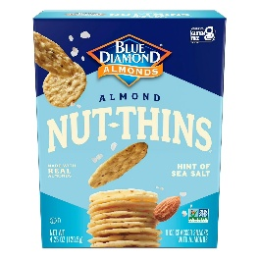 | 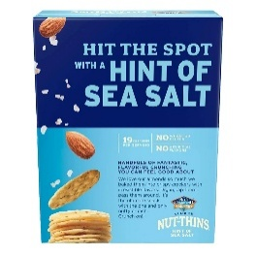
 | 83,845

